SSML - Dividends, Stock and Mkt
APPENDIX A.1 - SIYARAM SILK MILLS LIMITED
SIYARAM SILK MILLS LIMITED - DIVIDEND DATA |  |  |  |  | SIYARAM SILK MILLS LIMITED - STOCK DATA |  |  |  |  |  |  | SIYARAM SILK MILLS LIMITED - MARKET CAP ANALYSIS

Dividend Distribution Statistics |  |  |  |  | Stock Price Data
Financial Year | Dividend Type | Dividend Amount | Share Face Value | Dividend (%) | Financial Year | Siyaram Silk Mills Limited |  | Raymond Ltd. |  | Aditya Birla Fashion and Retail Limited |  |  | Market Capitalisation 31-03-2020 (₹ crore) |  | Market Capitalisation 31-03-2021 (₹ crore) |  | Market Capitalisation 31-03-2022 (₹ crore)
2021-22 | Interim Dividend | 3.00 | 2.00 | 150%
 | Interim Dividend | 3.00 | 2.00 | 150% |  | High | Low | High | Low | High | Low | Siyaram Silk Mills Limited | 656.18 |  | 872.72 |  | 2,223.75
 | Final Dividend | 3.20 | 2.00 | 160% | 2021-22 | 474.45 | 409.30 | 860.95 | 645.00 | 305.50 | 252.10 | Raymond Ltd. | 1,443.24 |  | 2,407.97 |  | 5,690.38
 | Total for the Year | 9.20 | 2.00 | 460% | 2020-21 | 224.45 | 182.75 | 408.95 | 327.55 | 223.55 | 182.60 | Aditya Birla Fashion and Retail Limited | 11,853.01 |  | 17,058.38 |  | 28,334.23
2020-21 | Final Dividend | 4.60 | 2.00 | 230% | 2019-20 | 227.00 | 119.00 | 525.00 | 209.50 | 263.00 | 149.65
 | Total for the Year | 4.60 | 2.00 | 230% | Source: BSE Prices for Shares
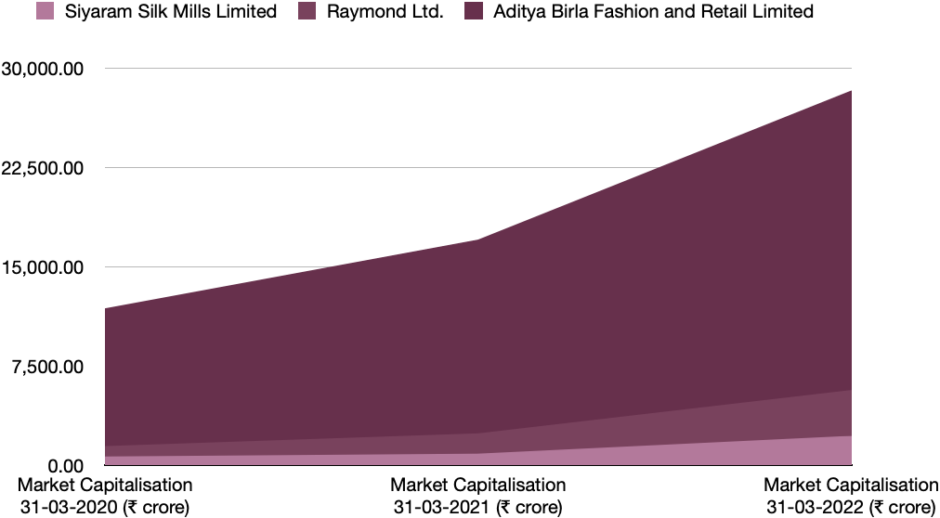
2019-20 | Special Dividend | 4.00 | 2.00 | 200%
 | Interim Dividend | 2.20 | 2.00 | 110%
 | 2021-22 | 2020-21 | 2019-20
 | 441.88 | 203.60 | 173.00
 | 752.98 | 368.25 | 367.25
 | 278.80 | 203.08 | 206.33
 | Interim Dividend | 2.40 | 2.00 | 120%
 | Total for the Year | 8.60 | 2.00 | 430%

Dividend Distribution Graph

 |  |  |  |  |  |  |  |  |  |  |  |  |  | 31-Mar-20 | Movement | 31-Mar-21 | Movement | 31-Mar-22
 |  |  |  |  |  |  |  |  |  |  |  |  |  | Market Cap (₹ crore) |  | Market Cap (₹ crore) |  | Market Cap (₹ crore)
 |  | 2021-22 | 2020-21 | 2019-20 |  | SSML |  | Raymond |  | ABFRL |  | Siyaram Silk Mills Limited |  | 656.18 | 33.00% | 872.72 | 154.81% | 2,223.75
Dividend Declared |  | 9.20 | 4.60 | 8.60 |  |  |  |  |  |  |  | Raymond Ltd. |  | 1,443.24 | 66.84% | 2,407.97 | 136.31% | 5,690.38
Face Value of Share |  | 2.00 | 2.00 | 2.00 | 2021-22 | 441.88 |  | 752.98 |  | 278.80 |  | Aditya Birla Fashion and Retail Limited |  | 11,853.01 | 43.92% | 17,058.38 | 66.10% | 28,334.23
Dividend (%) |  | 460% | 230% | 430% | 2020-21 | 203.60 |  | 368.25 |  | 203.08
 |  |  |  |  | 2019-20 | 173.00 |  | 367.25 |  | 206.33

SSML - Ratios (2)
SIYARAM SILK MILLS LIMITED - RATIO ANALYSIS

RATIO | FY 2021-22 |  |  |  | FY 2020-21
 | SSML | Raymond | ABFRL | Industry Avg. | SSML | Raymond | ABFRL | Industry Avg.
LIQUIDITY RATIOS
Current Ratio | 2.11 | 1.37 | 1.03 | 1.50 | 2.27 | 1.49 | 1.08 | 1.61
Quick Ratio | 1.22 | 0.78 | 0.40 | 0.80 | 1.40 | 0.92 | 0.45 | 0.92

LEVERAGE RATIOS
Debt-Equity Ratio | 0.29 | 0.95 | 0.17 | 0.47 | 0.25 | 0.85 | 0.22 | 0.44
Proprietary Ratio | 0.62 | 0.31 | 0.25 | 0.39 | 0.64 | 0.35 | 0.28 | 0.42

ACTIVITY RATIOS
Inventory Turnover Ratio | 2.73 | 1.80 | 3.50 | 2.68 | 1.86 | 0.94 | 2.53 | 1.78
Fixed Assets Turnover Ratio | 3.85 | 3.66 | 1.62 | 3.04 | 2.22 | 1.79 | 1.14 | 1.72

PROFITABILITY RATIOS
Net Profit Ratio/Margin | 10.97% | -8.77% | -1.03% | 0.39% | 0.47% | -11.61% | -12.54% | -7.89%
Return on Equity | 22.67% | -21.85% | -2.89% | -0.69% | 0.69% | -13.94% | -34.46% | -15.90%

VALUATION RATIOS
Earnings per Share | 45.34 | (59.47) | (0.87) | (5.00) | 1.14 | (41.54) | (7.95) | (16.12)
Earnings Yield Ratio | 10.80% | -6.96% | -0.29% | 1.19% | 0.61% | -11.48% | -3.95% | -4.94%

 | SSML |  | Raymond |  | ABFRL |  | Industry
 | 2021-22 | 2020-21 | 2021-22 | 2020-21 | 2021-22 | 2020-21 | 2021-22 | 2020-21
Current Ratio | 2.11 | 2.27 | 1.37 | 1.49 | 1.03 | 1.08 | 1.5 | 1.61
CURRENT RATIO COMPARISON

 | SSML |  | Raymond |  | ABFRL |  | Industry
 | 2021-22 | 2020-21 | 2021-22 | 2020-21 | 2021-22 | 2020-21 | 2021-22 | 2020-21
Quick Ratio | 1.22 | 1.4 | 0.78 | 0.92 | 0.4 | 0.45 | 0.8 | 0.92
QUICK RATIO COMPARISON

 | SSML |  | Raymond |  | ABFRL |  | Industry
 | 2021-22 | 2020-21 | 2021-22 | 2020-21 | 2021-22 | 2020-21 | 2021-22 | 2020-21
Debt-Equity Ratio | 0.29 | 0.25 | 0.95 | 0.85 | 0.17 | 0.22 | 0.47 | 0.44

 | SSML |  | Raymond |  | ABFRL |  | Industry
 | 2021-22 | 2020-21 | 2021-22 | 2020-21 | 2021-22 | 2020-21 | 2021-22 | 2020-21
Proprietary Ratio | 0.62 | 0.64 | 0.31 | 0.35 | 0.25 | 0.28 | 0.39 | 0.42

 | SSML |  | Raymond |  | ABFRL |  | Industry
 | 2021-22 | 2020-21 | 2021-22 | 2020-21 | 2021-22 | 2020-21 | 2021-22 | 2020-21
Inventory Turnover Ratio | 2.73 | 1.86 | 1.8 | 0.94 | 3.5 | 2.53 | 2.68 | 1.78

 | SSML |  | Raymond |  | ABFRL |  | Industry
 | 2021-22 | 2020-21 | 2021-22 | 2020-21 | 2021-22 | 2020-21 | 2021-22 | 2020-21
Fixed Assets Turnover Ratio | 3.85 | 2.22 | 3.66 | 1.79 | 1.62 | 1.14 | 3.02 | 1.72

SSML - Ratio Graphs
SIYARAM SILK MILLS LIMITED - RATIO GRAPHICAL ANALYSIS

 | RATIOS (x times) | FY 2021-22
 |  | SSML | Industry Avg.
 | Current Ratio | 2.11 | 1.50
 | Quick Ratio | 1.22 | 0.80
 | Debt-Equity Ratio | 0.29 | 0.47
 | Proprietary Ratio | 0.62 | 0.39
 | Inventory Turnover Ratio | 2.73 | 2.68
 | Fixed Assets Turnover Ratio | 3.85 | 3.04

Company and Industry Ratio Comparisons

 | RATIOS (%) | FY 2021-22
 |  | SSML | Industry Avg.
 | Net Profit Ratio/Margin | 10.97% | 0.39%
 | Return on Equity | 22.67% | -0.69%
 | Earnings Yield Ratio | 10.80% | 1.18%

Company and Industry Percentage Ratio Comparisons

 |  | SSML | Industry Avg.
 | EPS | 45.34 | -5.00

BDMCL - Dividend, Stock & Mkt
APPENDIX A.2 - BOMBAY DYEING AND MANUFACTURING COMPANY LIMITED
BDMCL - DIVIDEND DATA

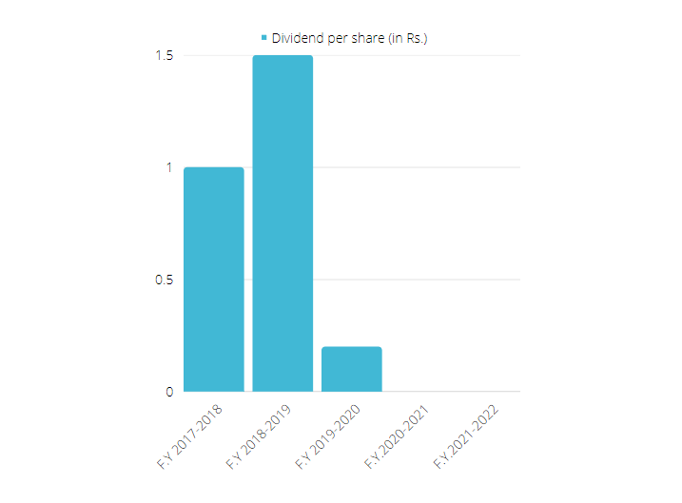

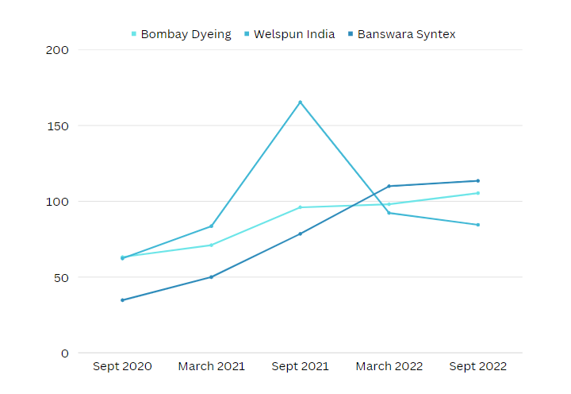

 | Source- BSE Data

BDMCL - Mkt Cap
Market Capitalization of Bombay Dyeing with respect to the other Industry leaders and competitors

 | Company Name | Market Capitalisation (in Cr)
 | Bombay Dyeing | 2,165.00
 | Arvind Ltd | 2,842.00
 | Welspun India | 8,349.00
 | Page Industries | 53,962.00
 | Trident | 20,307.00
 | Banswara Syntex | 389.00
 | Raymond | 6,734.00

BDMCL - Ratios
Standalone Balance Sheet for Bombay Dyeing (in Cr.) |  |  |  | Ratios for Bombay Dyeing |  |  |  |  | Ratio Comparison with Industry

Particulars | Mar-22 | Mar-21 | Mar-20 | Name | Formula | Value |  |  | Current Ratio- | 2022 | 2021 | 2020
ASSETS- |  |  |  | Liquidity Ratios- |  | 2022 | 2021 | 2020 | Bombay Dyeing | 1.44 | 1.29 | 2.38
Non-current Assets- |  |  |  | Current Ratio | CA/CL | 1.44 | 1.29 | 2.39 | Banswara Syntex | 1.49 | 1.76 | 1.23
Property Plant and Equipment | 462.53 | 481.33 | 510.48 | Quick Ratio | (CA-Inventories-P.Expense)/CL | 0.44 | 0.41 | 0.64 | Trident | 1.25 | 0.99 | 1.03
Capital Work-in Progress | 0.13 | 0.8 | 1.23 |  |  |  |  |  | Industry Average | 1.37 | 1.375 | 1.13
Right-of-Use Assets | 0.33 | 3.17 | 6.06 | Solvency Ratios-
Investment Property | 3.45 | 3.52 | 3.59 | Debt-Equity Ratio | Total L.T Debt/ SHF | -4.15 | -12.76 | 56.02 | Quick Ratio- | 2022 | 2021 | 2020
Other Intangible Assets | 0.14 | 0.22 | 0.66 | Propreitary Ratio | SHF/Total Assets | -0.18 | -0.04 | 0.01 | Bombay Dyeing | 0.44 | 0.4 | 0.64
Intangible assets under development | 0.33 |  |  |  |  |  |  |  | Banswara Syntex | 0.67 | 0.88 | 0.59
Financial Assets |  |  |  | Profitability Ratios- |  |  |  |  | Trident | 0.6 | 0.44 | 0.49
i. Investments | 366.3 | 472.67 | 376.43 | Net Profit Ratio (IN %) | (EAIT/Net Sales)*100 | -21.88 | -38.24 | 16.87 | Industry Average | 0.635 | 0.66 | 0.54
ii. Loans |  | 3.66 | 5.74 | Gross Profit Ratio (IN %) | (Gross Profit/Net Sales)*100 | 44.39 | 55.53 | 53.15
iii. Others | 22.77 | 2.41 | 0.01 | ROA (IN %) | (EAT/Total Assets)*100 | -10.90 | -10.11 | 6.82 | Debt-Equity- | 2022 | 2021 | 2020
Deferred Tax assets (Net) | 643.06 | 567.98 | 532.1 | ROC (IN %) | (EBIT/Capital Employed)*100 | -0.45 | 3.54 | 10.09 | Bombay Dyeing | -4.15 | -12.76 | 56.02
Other Non-current Assets | 110.8 | 115.36 | 55.2 |  |  |  |  |  | Banswara Syntex | 0.65 | 0.48 | 0.76
Total Non-current Assets | 1609.54 | 1651.12 | 1491.5 | Valuation Ratios- |  |  |  |  | Trident | 0.69 | 0.73 | 0.54
 |  |  |  | Earnings per share | EATPD/Number of Equity shares | -22.31 | -22.69 | 15.88 | Industry Average | 0.67 | 0.605 | 0.65
Current Assets- |  |  |  | Dividend Yield Ratio | Dividend Per share/ Share Market value | 0.00 | 0.00 | 0.45
Inventories | 1814.53 | 2043.14 | 2423.77 |  |  |  |  |  | Propreitary Ratio- | 2022 | 2021 | 2020
Financial Assets |  |  |  | Coverage Ratios- |  |  |  |  | Bombay Dyeing | -0.17 | -0.04 | 0.01
i. Trade Receivables | 294.9 | 656.37 | 728.74 | Interest Coverage Ratio | EBIT/Interest Charges (Finance Cost) | -0.02 | 0.14 | 0.62 | Banswara Syntex | 0.11 | 0.03 | 0.15
ii. Cash and Cash Equivalents | 414.86 | 141.88 | 1.36 |  |  |  |  |  | Trident | 0.59 | 0.58 | 0.11
iii. Bank Balances other than (ii) | 52.14 | 95.22 | 44.17 | Activity Ratios- |  |  |  |  | Industry Average | 0.35 | 0.305 | 0.13
iv. Loans | 0.05 | 0.52 | 0.47 | Inventory Turnover Ratio | COGS/Average stock | 11.30 | 5.97 | 16.33
v. Others | 4.13 | 0.7 | 3.92 | Fixed Asset Turnover Ratio | COGS/Average Net Fixed Assets | 1.24 | 0.72 | 1.27 | Net Profit Ratio- | 2022 | 2021 | 2020
Other Current Assets & CTA | 38.45 | 42.2 | 116.28 |  |  |  |  |  | Bombay Dyeing | -21.88 | -38.23 | 16.86
Total Current Assets | 2619.06 | 2985.03 | 3318.21 |  |  |  |  |  | Banswara Syntex | 3.92 | 1.77 | 4.13
TOTAL ASSETS | 4228.6 | 4636.15 | 4809.71 |  |  |  |  |  | Trident | 11.77 | 7.65 | 7.27
 |  |  |  |  |  |  |  |  | Industry Average | 7.845 | 4.71 | 5.7
EQUITY AND LIABILITIES
Equity- |  |  |  |  |  |  |  |  | Gross Profit Ratio- | 2022 | 2021 | 2020
Equity Share Capital | 41.31 | 41,31 | 41.31 |  |  |  |  |  | Bombay Dyeing | 44.38 | 55.52 | 53.15
Other Equity | -799.75 | -237.43 | 17.85 |  |  |  |  |  | Banswara Syntex | 6.48 | 3.73 | 7.21
Total Equity | -758.71 | -195.95 | 59.56 |  |  |  |  |  | Trident | 16.69 | 10.49 | 10.79
 |  |  |  |  |  |  |  |  | Industry Average | 11.585 | 7.11 | 9
Liabilities-
Non current Liabilities |  |  |  |  |  |  |  |  | ROA- | 2022 | 2021 | 2020
Financial Liabilities |  |  |  |  |  |  |  |  | Bombay Dyeing | -10.89 | -10.1 | 6.81
i. Borrowings | 3149.63 | 2500.72 | 3336.59 |  |  |  |  |  | Banswara Syntex | 5.28 | 1.84 | 6.26
ii. Other Financial Liabilities | 11.32 | 7.67 | 9.55 |  |  |  |  |  | Trident | 12.67 | 6 | 5.97
Provisions | 11.97 | 13.39 | 14.48 |  |  |  |  |  | Industry Average | 8.975 | 3.92 | 6.115
Total Non-current Liabilities | 3172.92 | 2521.78 | 3360.62
 |  |  |  |  |  |  |  |  | ROC- | 2022 | 2021 | 2020
Current Liabilities |  |  |  |  |  |  |  |  | Bombay Dyeing | -0.44 | 3.53 | 10.08
Financial Liabilities- |  |  |  |  |  |  |  |  | Banswara Syntex | 17.3 | 8.61 | 22.13
i. Borrowings | 1292.12 | 839.05 | 784.08 |  |  |  |  |  | Trident | 26.52 | 12.52 | 13.21
ii. Lease Liabilities |  | 2.58 | 2.45 |  |  |  |  |  | Industry Average | 21.91 | 10.565 | 17.67
iii. Trade Payables | 335.29 | 384.55 | 308.68
iv. Other Financial Liabilities | 83.4 | 902.49 | 165.53
Other Current Liabilities | 100.16 | 123.67 | 69.06
Provisions | 3.15 | 3.96 | 60.09
Total Current Liabilities | 1814.12 | 2310.3 | 1389.93
TOTAL EQUITIES AND LIABILITIES | 4228.6 | 4636.15 | 4809.71 |  |  |  |  |  | EPS- | 2022 | 2021 | 2020
Current Ratio
ROA
 |  |  |  |  |  |  |  |  | Bombay Dyeing | -22.31 | -22.69 | 15.881
 |  |  |  |  |  |  |  |  | Banswara Syntex | 27.31 | 8.14 | 31.19
Profit and Loss Statement for Bombay Dyeing (In Cr) |  |  |  |  |  |  |  |  | Trident | 1.63 | 0.68 | 0.67
 |  |  |  |  |  |  |  |  | Industry Average | 14.47 | 4.41 | 15.93
Particulars | Mar-22 | Mar-21 | Mar-20
Revenue from Operations | 2000.92 | 1193.42 | 1894.62 |  |  |  |  |  | Interest Coverage Ratio | 2022 | 2021 | 2020
Other Income | 105.3 | 32.29 | 50.04 |  |  |  |  |  | Bombay Dyeing | -0.02 | 0.13 | 0.62
Total Income | 2106.22 | 1225.71 | 1944.66 |  |  |  |  |  | Banswara Syntex | 0.048 | 0.01 | 0.017
 |  |  |  |  |  |  |  |  | Trident | 13.74 | 7.18 | 4.8
EXPENSES |  |  |  |  |  |  |  |  | Industry Average | 6.894 | 3.595 | 2.4085
Cost of Materials Consumed | 1171.37 | 545.12 | 910.98
Purchase of Stock in trade | 4.58 | 1.96 | 160.92 |  |  |  |  |  | Inventory Turnover- | 2022 | 2021 | 2020
Change in Inventories of F. Goods,WIP | 176.13 | 307.13 | -54.61 |  |  |  |  |  | Bombay Dyeing | 11.29 | 5.97 | 16.33
Employee Benefit Expense | 62.72 | 60.33 | 89.85 |  |  |  |  |  | Banswara Syntex | 2.37 | 4 | 5.43
Finance Cost | 524 | 588.39 | 553.82 |  |  |  |  |  | Trident | 2.93 | 4.48 | 5.15
Depriciation and Ammortization | 32.78 | 33.72 | 33.11 |  |  |  |  |  | Industry Average | 2.65 | 4.24 | 5.29
ROC
Other Expenses | 435.98 | 253.38 | 458.66
Quick Ratio
Total Expenses | 2407.56 | 1790.03 | 2153.73 |  |  |  |  |  | F.Asset Turnover- | 2022 | 2021 | 2020
Profit/Loss before tax | -301.34 | -564.32 | -209.07 |  |  |  |  |  | Bombay Dyeing | 1.24 | 0.72 | 1.27
Exceptional Items | -233.03 | 57.78 |  |  |  |  |  |  | Banswara Syntex | 2 | 1.39 | 1.96
Profit/Loss before tax | -534.37 | -506.54 | -209.07 |  |  |  |  |  | Trident | 1.36 | 0.96 | 0.98
 |  |  |  |  |  |  |  |  | Industry Average | 1.68 | 1.175 | 1.47
Tax Expense-
Current Tax |  |  |  |  |  |  |  |  | Source of Industry Average- Annual Reports of Companies
Deferred Tax | -74.14 | -36.62 | -531.59
Excess/Short provision of tax | 0.22 | -0.82 | -5.35
Total Tax Expense | -73.92 | -37.44 | -536.94
Profit/Loss for the year | -460.45 | -469.1 | 327.87

Other Comprehensive Income-
Items that will not be reclassified to P
:Acturial loss/gain on defined benefit | 3.36 | 2.63 | -2.7
EPS
:Fair Value changes of investments | -106.36 | 215.48 | -410.59
Income tax relating to above | 0.94 | 0.32 | 0.79
Debt-Equity Ratio
Total Other Comprehensive Income | -102.06 | 218.43 | -412.5
Total Comprehensive Income for year | -562.51 | 250.67 | -84.63

Earnings per equity share-
: Basic | -22.29 | -22.71 | 15.87
: Diluted | -22.29 | -22.71 | 15.87

Important Particulars (in Cr)

Particulars | Mar-22 | Mar-21 | Mar-20
Net Profit | -460.45 | -469.1 | 327.87
Cost of Goods Sold | 1171.37 | 545.12 | 910.98
Opening Stock | 125.21 | 57.3 | 54.27
Purchases | 1128.33 | 613.03 | 914.01
Closing Stock | 82.17 | 125.21 | 57.3
EBITDA | 22 | 116 | 378
Number of Equity Shares | 20.65349 | 20.65349 | 20.65349

Propreitary Ratio
Interest Coverage Ratio

Net Profit Ratio
Fixed Assets Turnover

Gross Profit Ratio Title
Inventory Turnover

Bombay Dyeing
 |  | Market Capitalization of Bombay Dyeing with respect to the other Industry leaders and competitors |  |  |  |  |  |  |  |  | Stock Performance of Bombay Dyeing

Company Name | Market Capitalization (in Cr)
Bombay Dyeing | 2165
Arvind Ltd | 2842
Welspun India | 8349
Page Industries | 53962
Trident | 20307
Banswara Syntex | 389
Raymond | 6734

Standalone Balance Sheet for Bombay Dyeing (in Cr.) |  |  |  |  |  |  |  |  |  |  |  |  | Source- BSE Data

Particulars | Mar-22 | Mar-21 | Mar-20
ASSETS-
Non-current Assets-
Property Plant and Equipment | 462.53 | 481.33 | 510.48
Capital Work-in Progress | 0.13 | 0.8 | 1.23
Right-of-Use Assets | 0.33 | 3.17 | 6.06
Investment Property | 3.45 | 3.52 | 3.59 | Ratios for Bombay Dyeing
Other Intangible Assets | 0.14 | 0.22 | 0.66
Intangible assets under development | 0.33 |  |  | Name | Formula | Value
Financial Assets |  |  |  | Liquidity Ratios- |  | 2022 | 2021 | 2020
i. Investments | 366.3 | 472.67 | 376.43 | Current Ratio | CA/CL | 1.4437082442 | 1.2920529801 | 2.3873216637
ii. Loans |  | 3.66 | 5.74 | Quick Ratio | (CA-Inventories-P.Expense)/CL | 0.44348223932 | 0.40769164178 | 0.64351442159
iii. Others | 22.77 | 2.41 | 0.01
Deferred Tax assets (Net) | 643.06 | 567.98 | 532.1 | Solvency Ratios-
Other Non-current Assets | 110.8 | 115.36 | 55.2 | Debt-Equity Ratio | Total L.T Debt/ SHF | -4.1512962792 | -12.76203113 | 56.020651444
Total Non-current Assets | 1609.54 | 1651.12 | 1491.5 | Propreitary Ratio | SHF/Total Assets | -0.17942344984 | -0.042265673026 | 0.012383282984

Current Assets- |  |  |  | Profitability Ratios-
Inventories | 1814.53 | 2043.14 | 2423.77 | Net Profit Ratio (IN %) | (EAIT/Net Sales)*100 | -21.880905129 | -38.236613881 | 16.867215863
Financial Assets |  |  |  | Gross Profit Ratio (IN %) | (Gross Profit/Net Sales)*100 | 44.385201926 | 55.526184823 | 53.154793126
i. Trade Receivables | 294.9 | 656.37 | 728.74 | ROA (IN %) | (EAT/Total Assets)*100 | -10.898642577 | -10.109034436 | 6.819745889
ii. Cash and Cash Equivalents | 414.86 | 141.88 | 1.36 | ROC (IN %) | (EBIT/Capital Employed)*100 | -0.44647294656 | 3.5376314036 | 10.085151676
iii. Bank Balances other than (ii) | 52.14 | 95.22 | 44.17
iv. Loans | 0.05 | 0.52 | 0.47 | Valuation Ratios-
v. Others | 4.13 | 0.7 | 3.92 | Earnings per share | EATPD/Number of Equity shares | -22.313904333 | -22.692048656 | 15.881577399
Other Current Assets & CTA | 38.45 | 42.2 | 116.28 | Dividend Yield Ratio | Dividend Per share/ Share Market value | 0 | 0 | 0.44943820225
Total Current Assets | 2619.06 | 2985.03 | 3318.21
TOTAL ASSETS | 4228.6 | 4636.15 | 4809.71 | Coverage Ratios-
 |  |  |  | Interest Coverage Ratio | EBIT/Interest Charges (Finance Cost) | -0.020572519084 | 0.13983922228 | 0.62274746307
EQUITY AND LIABILITIES
Equity- |  |  |  | Activity Ratios-
Equity Share Capital | 41.31 | 41,31 | 41.31 | Inventory Turnover Ratio | COGS/Average stock | 11.296846369 | 5.9735904882 | 16.330196289
Other Equity | -799.75 | -237.43 | 17.85 | Fixed Asset Turnover Ratio | COGS/Average Net Fixed Assets | 1.2431626427 | 0.72279422453 | 1.2702782434
Total Equity | -758.71 | -195.95 | 59.56

Liabilities-
Non current Liabilities
Financial Liabilities
i. Borrowings | 3149.63 | 2500.72 | 3336.59
ii. Other Financial Liabilities | 11.32 | 7.67 | 9.55
Provisions | 11.97 | 13.39 | 14.48
Total Non-current Liabilities | 3172.92 | 2521.78 | 3360.62

Current Ratio
Net Profit Ratio
Current Liabilities
Financial Liabilities-
i. Borrowings | 1292.12 | 839.05 | 784.08
ii. Lease Liabilities |  | 2.58 | 2.45 |  |  |  |  |  | Ratio Comparison with Industry
iii. Trade Payables | 335.29 | 384.55 | 308.68
iv. Other Financial Liabilities | 83.4 | 902.49 | 165.53 |  |  |  |  |  | Current Ratio- | 2022 | 2021 | 2020
Other Current Liabilities | 100.16 | 123.67 | 69.06 |  |  |  |  |  | Bombay Dyeing | 1.44 | 1.29 | 2.38
Provisions | 3.15 | 3.96 | 60.09 |  |  |  |  |  | Banswara Syntex | 1.49 | 1.76 | 1.23
Total Current Liabilities | 1814.12 | 2310.3 | 1389.93 |  |  |  |  |  | Trident | 1.25 | 0.99 | 1.03
TOTAL EQUITIES AND LIABILITIES | 4228.6 | 4636.15 | 4809.71 |  |  |  |  |  | Industry Average | 1.37 | 1.375 | 1.13

 |  |  |  |  |  |  |  |  | Quick Ratio- | 2022 | 2021 | 2020
Profit and Loss Statement for Bombay Dyeing (In Cr) |  |  |  |  |  |  |  |  | Bombay Dyeing | 0.44 | 0.4 | 0.64
 |  |  |  |  |  |  |  |  | Banswara Syntex | 0.67 | 0.88 | 0.59
Particulars | Mar-22 | Mar-21 | Mar-20 |  |  |  |  |  | Trident | 0.6 | 0.44 | 0.49
Revenue from Operations | 2000.92 | 1193.42 | 1894.62 |  |  |  |  |  | Industry Average | 0.635 | 0.66 | 0.54
Gross Profit Ratio Title
Other Income | 105.3 | 32.29 | 50.04
Quick Ratio
Total Income | 2106.22 | 1225.71 | 1944.66 |  |  |  |  |  | Debt-Equity- | 2022 | 2021 | 2020
 |  |  |  |  |  |  |  |  | Bombay Dyeing | -4.15 | -12.76 | 56.02
EXPENSES |  |  |  |  |  |  |  |  | Banswara Syntex | 0.65 | 0.48 | 0.76
Cost of Materials Consumed | 1171.37 | 545.12 | 910.98 |  |  |  |  |  | Trident | 0.69 | 0.73 | 0.54
Purchase of Stock in trade | 4.58 | 1.96 | 160.92 |  |  |  |  |  | Industry Average | 0.67 | 0.605 | 0.65
Change in Inventories of F. Goods,WIP | 176.13 | 307.13 | -54.61
Employee Benefit Expense | 62.72 | 60.33 | 89.85 |  |  |  |  |  | Propreitary Ratio- | 2022 | 2021 | 2020
Finance Cost | 524 | 588.39 | 553.82 |  |  |  |  |  | Bombay Dyeing | -0.17 | -0.04 | 0.01
Depriciation and Ammortization | 32.78 | 33.72 | 33.11 |  |  |  |  |  | Banswara Syntex | 0.11 | 0.03 | 0.15
Other Expenses | 435.98 | 253.38 | 458.66 |  |  |  |  |  | Trident | 0.59 | 0.58 | 0.11
Total Expenses | 2407.56 | 1790.03 | 2153.73 |  |  |  |  |  | Industry Average | 0.35 | 0.305 | 0.13
Profit/Loss before tax | -301.34 | -564.32 | -209.07
Exceptional Items | -233.03 | 57.78 |  |  |  |  |  |  | Net Profit Ratio- | 2022 | 2021 | 2020
Profit/Loss before tax | -534.37 | -506.54 | -209.07 |  |  |  |  |  | Bombay Dyeing | -21.88 | -38.23 | 16.86
 |  |  |  |  |  |  |  |  | Banswara Syntex | 3.92 | 1.77 | 4.13
Tax Expense- |  |  |  |  |  |  |  |  | Trident | 11.77 | 7.65 | 7.27
ROA
Current Tax |  |  |  |  |  |  |  |  | Industry Average | 7.845 | 4.71 | 5.7
Debt-Equity Ratio
Deferred Tax | -74.14 | -36.62 | -531.59
Excess/Short provision of tax | 0.22 | -0.82 | -5.35 |  |  |  |  |  | Gross Profit Ratio- | 2022 | 2021 | 2020
Total Tax Expense | -73.92 | -37.44 | -536.94 |  |  |  |  |  | Bombay Dyeing | 44.38 | 55.52 | 53.15
Profit/Loss for the year | -460.45 | -469.1 | 327.87 |  |  |  |  |  | Banswara Syntex | 6.48 | 3.73 | 7.21
 |  |  |  |  |  |  |  |  | Trident | 16.69 | 10.49 | 10.79
Other Comprehensive Income- |  |  |  |  |  |  |  |  | Industry Average | 11.585 | 7.11 | 9
Items that will not be reclassified to P
:Acturial loss/gain on defined benefit | 3.36 | 2.63 | -2.7 |  |  |  |  |  | ROA- | 2022 | 2021 | 2020
:Fair Value changes of investments | -106.36 | 215.48 | -410.59 |  |  |  |  |  | Bombay Dyeing | -10.89 | -10.1 | 6.81
Income tax relating to above | 0.94 | 0.32 | 0.79 |  |  |  |  |  | Banswara Syntex | 5.28 | 1.84 | 6.26
Total Other Comprehensive Income | -102.06 | 218.43 | -412.5 |  |  |  |  |  | Trident | 12.67 | 6 | 5.97
Total Comprehensive Income for year | -562.51 | 250.67 | -84.63 |  |  |  |  |  | Industry Average | 8.975 | 3.92 | 6.115

ROC
Earnings per equity share- |  |  |  |  |  |  |  |  | ROC- | 2022 | 2021 | 2020
: Basic | -22.29 | -22.71 | 15.87 |  |  |  |  |  | Bombay Dyeing | -0.44 | 3.53 | 10.08
: Diluted | -22.29 | -22.71 | 15.87 |  |  |  |  |  | Banswara Syntex | 17.3 | 8.61 | 22.13
 |  |  |  |  |  |  |  |  | Trident | 26.52 | 12.52 | 13.21
Propreitary Ratio
 |  |  |  |  |  |  |  |  | Industry Average | 21.91 | 10.565 | 17.67
Important Particulars (in Cr)
 |  |  |  |  |  |  |  |  | EPS- | 2022 | 2021 | 2020
Particulars | Mar-22 | Mar-21 | Mar-20 |  |  |  |  |  | Bombay Dyeing | -22.31 | -22.69 | 15.881
Net Profit | -460.45 | -469.1 | 327.87 |  |  |  |  |  | Banswara Syntex | 27.31 | 8.14 | 31.19
Cost of Goods Sold | 1171.37 | 545.12 | 910.98 |  |  |  |  |  | Trident | 1.63 | 0.68 | 0.67
Opening Stock | 125.21 | 57.3 | 54.27 |  |  |  |  |  | Industry Average | 14.47 | 4.41 | 15.93
Purchases | 1128.33 | 613.03 | 914.01
Closing Stock | 82.17 | 125.21 | 57.3 |  |  |  |  |  | Interest Coverage Ratio | 2022 | 2021 | 2020
EBITDA | 22 | 116 | 378 |  |  |  |  |  | Bombay Dyeing | -0.02 | 0.13 | 0.62
Number of Equity Shares | 20.65349 | 20.65349 | 20.65349 |  |  |  |  |  | Banswara Syntex | 0.048 | 0.01 | 0.017
 |  |  |  |  |  |  |  |  | Trident | 13.74 | 7.18 | 4.8
 |  |  |  |  |  |  |  |  | Industry Average | 6.894 | 3.595 | 2.4085

Interest Coverage Ratio
EPS
 |  |  |  |  |  |  |  |  | Inventory Turnover- | 2022 | 2021 | 2020
 |  |  |  |  |  |  |  |  | Bombay Dyeing | 11.29 | 5.97 | 16.33
 |  |  |  |  |  |  |  |  | Banswara Syntex | 2.37 | 4 | 5.43
 |  |  |  |  |  |  |  |  | Trident | 2.93 | 4.48 | 5.15
 |  |  |  |  |  |  |  |  | Industry Average | 2.65 | 4.24 | 5.29

 |  |  |  |  |  |  |  |  | F.Asset Turnover- | 2022 | 2021 | 2020
 |  |  |  |  |  |  |  |  | Bombay Dyeing | 1.24 | 0.72 | 1.27
 |  |  |  |  |  |  |  |  | Banswara Syntex | 2 | 1.39 | 1.96
 |  |  |  |  |  |  |  |  | Trident | 1.36 | 0.96 | 0.98
 |  |  |  |  |  |  |  |  | Industry Average | 1.68 | 1.175 | 1.47

Inventory Turnover

Fixed Assets Turnover

 |  |  |  |  |  |  |  |  | Source of Industry Average- Annual Reports of Companies

Trident - Dividend, Stock & Mkt
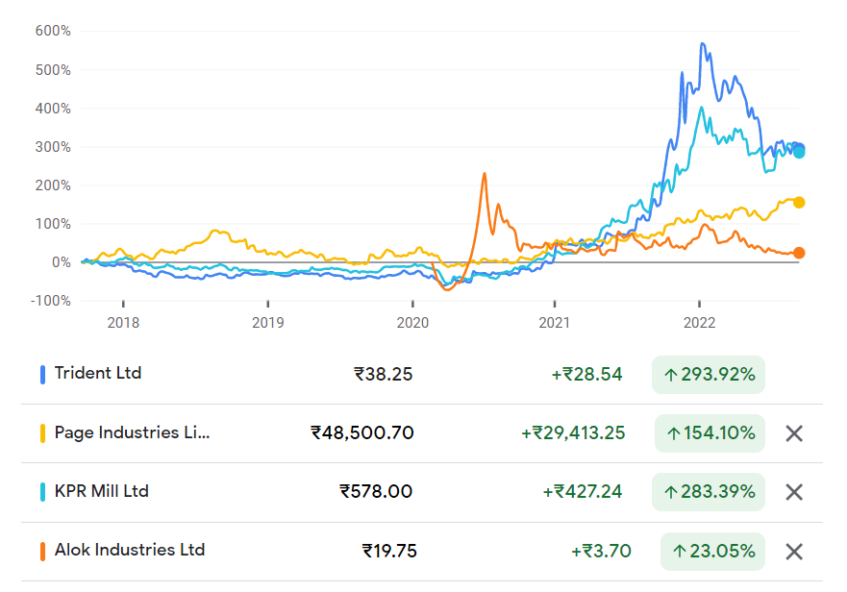
APPENDIX A.3 - TRIDENT LIMITED
TRIDENT LIMITED - DIVIDEND DATA

 | Dividend Distribution Statistics
 | Dividend Date | Dividend (%)
 | 1-Aug-22 | 36%
 | 12-Oct-21 | 36%
 | 17-May-21 | 36%
 | 12-Feb-20 | 18%
 | 24-Oct-19 | 9%
 | 15-Jul-19 | 9%
 | 13-May-19 | 6%
 | 7-Jan-19 | 12%

 | TEXTILE INDUSTRY DATA

Textile and Apparel Exports from India (USD billion)

 | Textile and Apparel Exports from India (USD billion)
 | Year | Amount
 | FY18 | 37.00
 | FY19 | 36.00
 | FY20 | 34.00
 | FY21 | 30.00
 | FY26 (Forecast) | 65.00

 | TRIDENT LIMITED - MARKET CAPITALISATION

Market Capitalisation

 | Company | Market Share in ₹ Cr.
 | Page Industries | 54,445.46
 | KPR Mill | 19,644.05
 | Trident Limited | 19,415.59
 | Alok Industries | 9,756.70

 | TRIDENT LIMITED - SHARE PRICE

Trident - Comparison & Graphs
Profitability Ratios
 | KPR Mill | Page industries | Trident ltd | Industry avg
Net profit Ratio | 17.93 | 13.80 | 11.74 | 14.49
ROCE | 37.10 | 63.92 | 28.59 | 43.20
ROA | 21.75 | 25.46 | 12.67 | 19.96
ROE | 27.76 | 49.48 | 21.46 | 32.90
TRIDENT LIMITED - RATIO COMPARATIVE ANALYSIS

FY2022 | KPR Mill | Page industries | Trident ltd | Industry avg
Current Ratio | 2.74 | 1.67 | 1.25 | 1.89
Quick Ratio | 1.49 | 0.63 | 0.60 | 0.91
Debt- Equity Ratio | 0.16 | 0.00 | 0.69 | 0.28
Net profit Ratio | 17.93 | 13.80 | 11.74 | 14.49
ROCE | 37.10 | 63.92 | 28.59 | 43.20
ROA | 21.75 | 25.46 | 12.67 | 19.96
ROE | 27.76 | 49.48 | 21.46 | 32.90
EPS | 21.24 | 481.03 | 1.60 | 167.96
Asset turnover ratio | 1.39 | 2.05 | 2.11 | 1.85
Inventory turnover ratio | 2.95 | 1.32 | 4.34 | 2.87
Current Ratio | 2.74 | 1.67 | 1.25 | 1.89
Quick Ratio | 1.49 | 0.63 | 0.60 | 0.91

Liquidity ratio
 | KPR Mill | Page industries | Trident ltd | Industry avg
Current Ratio | 2.74 | 1.67 | 1.25 | 1.89
Quick Ratio | 1.49 | 0.63 | 0.60 | 0.91
Valuation Ratios EPS
 | EPS
KPR Mill | 21.24
Page industries | 481.03
Trident ltd | 1.60
Industry avg | 167.96

 | Debt- Equity Ratio
KPR Mill | 0.16
Page industries | 0.00
Trident ltd | 0.69
Industry avg | 0.28
Activity Ratios
 | KPR Mill | Page industries | Trident ltd | Industry avg
Asset turnover ratio | 1.39 | 2.05 | 2.11 | 1.85
Inventory turnover ratio | 2.95 | 1.32 | 4.34 | 2.87

Rupa - Dividend
APPENDIX A.5 - RUPA & COMPANY LTD
RUPA & COMPANY LTD - DIVIDEND

 | Announcement Date | Dividend (Rs)
 | 2022-05-23 | 3.00
 | 2021-05-31 | 3.00
 | 2021-06-01 | 2.00
 | 2020-06-26 | 3.00
 | 2019-05-27 | 3.00
 | 2018-05-23 | 3.00
 | 2017-06-02 | 2.75
 | 2016-03-04 | 2.75
 | 2015-05-21 | 2.75
 | 2014-06-02 | 2.50
 | 2013-05-31 | 2.00
 | 2012-05-29 | 1.50

Rupa - Share Data
Date | RUPA.NS | Date | LUXIND.NS | Date | ARVIND.NS
2021-04-01 | 309.90 | 2021-04-01 | 1748.00 | 2021-04-01 | 66.00
2021-05-01 | 289.50 | 2021-05-01 | 1904.90 | 2021-05-01 | 65.00
2021-06-01 | 458.00 | 2021-06-01 | 3133.25 | 2021-06-01 | 80.70
2021-07-01 | 476.85 | 2021-07-01 | 3588.45 | 2021-07-01 | 78.50
2021-08-01 | 543.00 | 2021-08-01 | 4162.00 | 2021-08-01 | 105.10
2021-09-01 | 436.00 | 2021-09-01 | 3993.25 | 2021-09-01 | 90.90
2021-10-01 | 448.00 | 2021-10-01 | 3503.00 | 2021-10-01 | 93.75
2021-11-01 | 476.00 | 2021-11-01 | 3562.00 | 2021-11-01 | 132.40
2021-12-01 | 424.95 | 2021-12-01 | 3760.00 | 2021-12-01 | 118.00
2022-01-01 | 442.00 | 2022-01-01 | 3690.00 | 2022-01-01 | 120.75
2022-02-01 | 508.00 | 2022-02-01 | 2739.70 | 2022-02-01 | 145.80
2022-03-01 | 457.25 | 2022-03-01 | 2474.55 | 2022-03-01 | 117.85

Stock Performance Comparison

Rupa - Market Cap
Others | 16,000,000,000
Market Capitalization of Rupa | 348,967,539.00
Market Capitalization of Page Industries | 6,887,811,963
Market Capitalization of Arvind Industries | 357,351,444

Market Capitalisation

Rupa - Ratios
RATIO ANALYSIS

Ratio | Formula | March 31, 2022 | March 31, 2021
Liquidity Ratios
Current Ratio | Current Assets/Current Liabilities | 2.02 | 2.32
Quick ratio | Curent Assets-Inventories/Current liabilities | 1.12 | 1.34

Solvency Ratios
Debt Equity Ratio | Total Long Term Debt/Shareholders Fund | 0.42 | 0.18
Proprietary Ratio | Shareholders Fund/Total Assets | 0.56 | 0.76

Profitablity Ratios
Operating Profit | (Operating Cost/Net Sales)*100 | 67.85 | 46.79
Gross Profit Ratio | (Gross Profit/Net Sales)*100 | 33.12 | 54.27
Net profit Ratio | (EAT/Net Sales)*100 | 13.35 | 13.51
Return on Assets | (EAT/Total Assets)*100 | 12.16 | 15.12
Return on Capital Employed | (EAT/Net Capital Employed)*100 | 14.86 | 19.11

Activity/Turnover Ratios
Inventory Turnover Ratio | Net Sales/Average Inventories | 2.47 | 3.32
Debtors Turnover Ratio | Net Credit Sales/Average Debtors | 2.64 | 3.56

Du Pont Analysis (ROE decomposition)
Profit Margin | Net Income/ Revenue | 0.13 | 0.13
Assets Turnover | Sales/Total Assets | 0.91 | 1.12
Leverage | Assets/Equity | 1.79 | 1.58

Page - Ratios Analysis
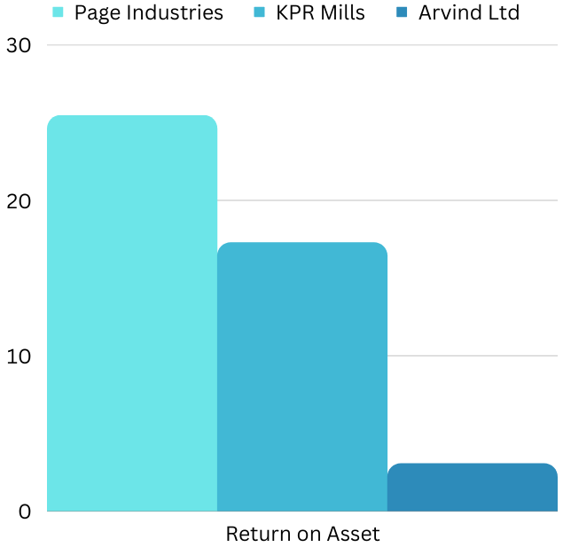
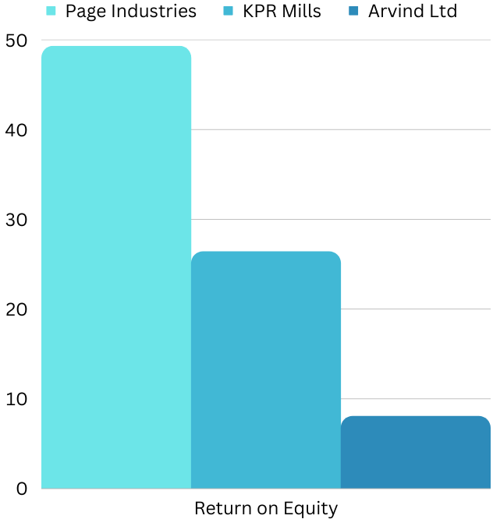
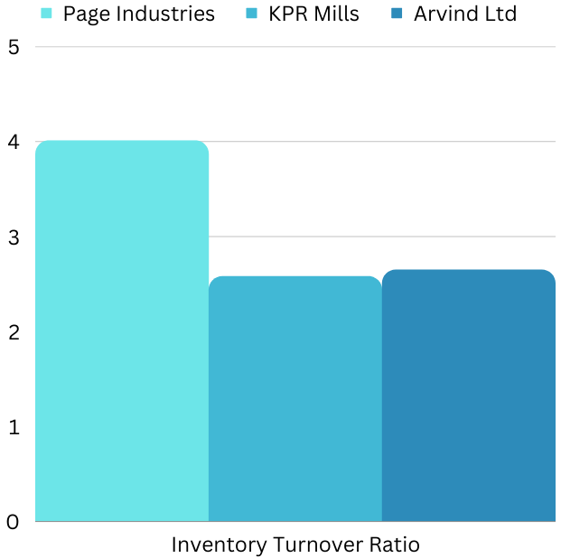
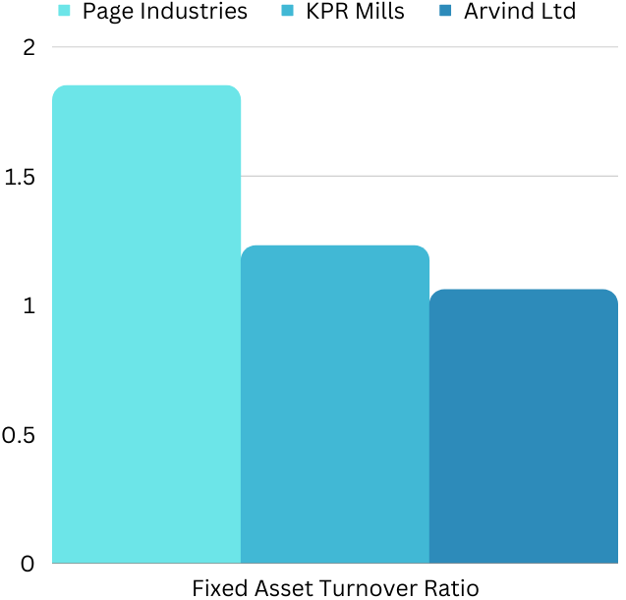
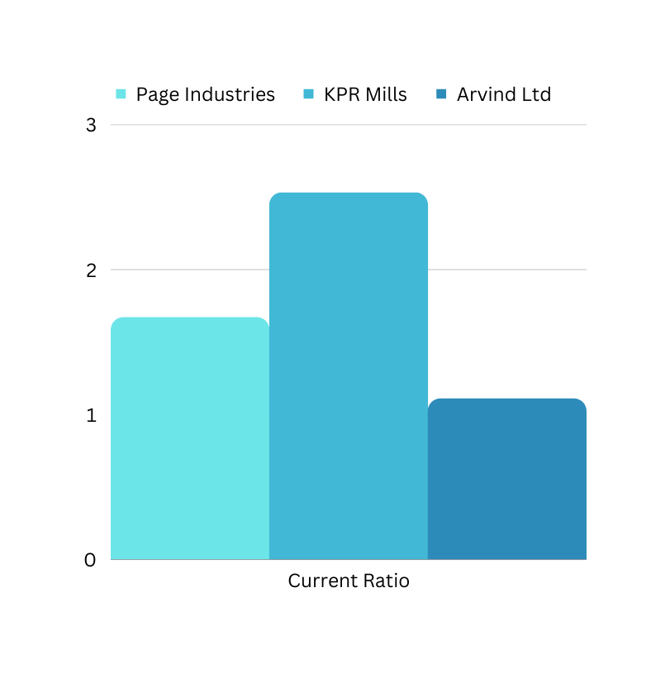
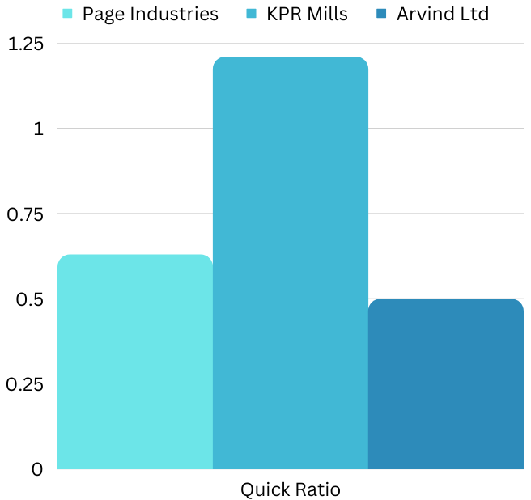
Ratio Analysis of Page Industries:
 |  |  |  |  |  |  | Ratio Analysis of KPR Mill: |  | Ratio Analysis of Arvind Ltd:
Ratios | 2022 | 2021
 |  |  |  |  |  |  | Ratios | 2022 | Ratios | 2022
Liquidity
Current ratio | 1.67 | 1.72 | Current Ratio = Current Assets / Current Liabilities | The ideal current ratio is 2:1 |  |  | Liquidity |  | Liquidity
Quick ratio | 0.63 | 0.94 | (Current Asset - Inventory - Prepaid Expenses)/ Current Liabilities | The ideal Quick Ratio is 1:1 |  |  | Current ratio | 2.53 | Current ratio | 1.11
 |  |  |  |  |  |  | Quick ratio | 1.21 | Quick ratio | 0.50
Leverage
Debt - equity ratio | 0.48 | 0.48 | Total Liabilities / Total Equity | The ideal Debt Equity Ratio is 1:1 |  |  | Leverage |  | Leverage
Proprietary ratio | 0.91 | 0.98 | Shareholder's Fund / Total Assets | A ratio below 0.5 is alarming for the creditors |  |  | Debt - equity ratio | 0.37 | Debt - equity ratio | 0.60
 |  |  |  |  |  |  | Proprietary ratio | 0.82 | Proprietary ratio | 0.78
Profitability Ratios
Return on asset | 25.46% | 20.04% | (Net profit after Interest & Tax / Total Asset) *100 |  |  |  | Profitability Ratios |  | Profitability Ratios
Return on equity | 49.29% | 38.49% | (Net profit after Interest & Tax / Shareholder's Fund ) *100 |  |  |  | Return on asset | 17.29% | Return on asset | 3.09%
 |  |  |  |  |  |  | Return on equity | 26.41% | Return on equity | 8.07%
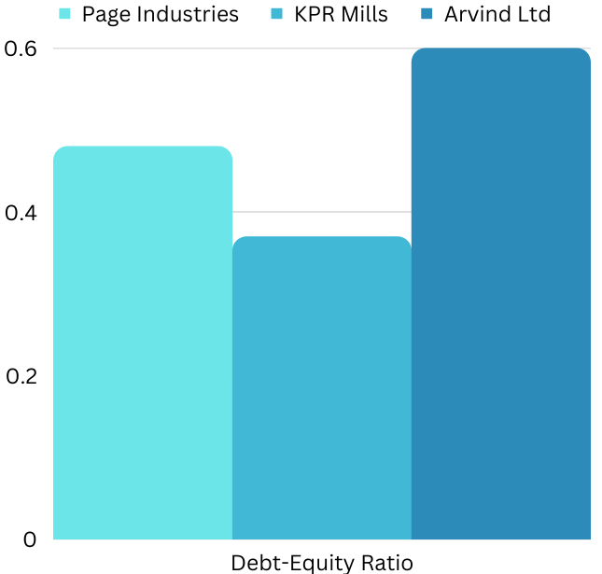
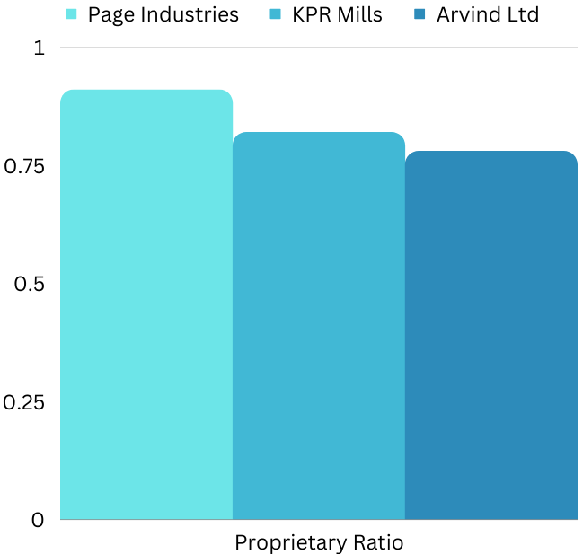
Turnover Ratios
Inventory Turnover Ratio | 4.01 | 5.14 | Sales / Closing Inventory |  |  |  | Turnover Ratios |  | Turnover Ratios
Fixed Asset Turnover Ratio | 1.85 | 1.68 | Sales / Net Fixed Assets |  |  |  | Inventory Turnover Ratio | 2.58 | Inventory Turnover Ratio | 2.65
 |  |  |  |  |  |  | Fixed Asset Turnover Ratio | 1.23 | Fixed Asset Turnover Ratio | 1.06
Dupont Analysis | 2022 | 2021

Profit After Tax | 5365.31 | 3405.81
Net Sales | 39074.42 | 28524.34
Total Assets | 21069.46 | 16998.63
Equity | 10886.26 | 8848.84
Return on Equity | 49.29% | 38.49%

 |  |  |  |  | Market Capitalization | 2022 (In Cr.)

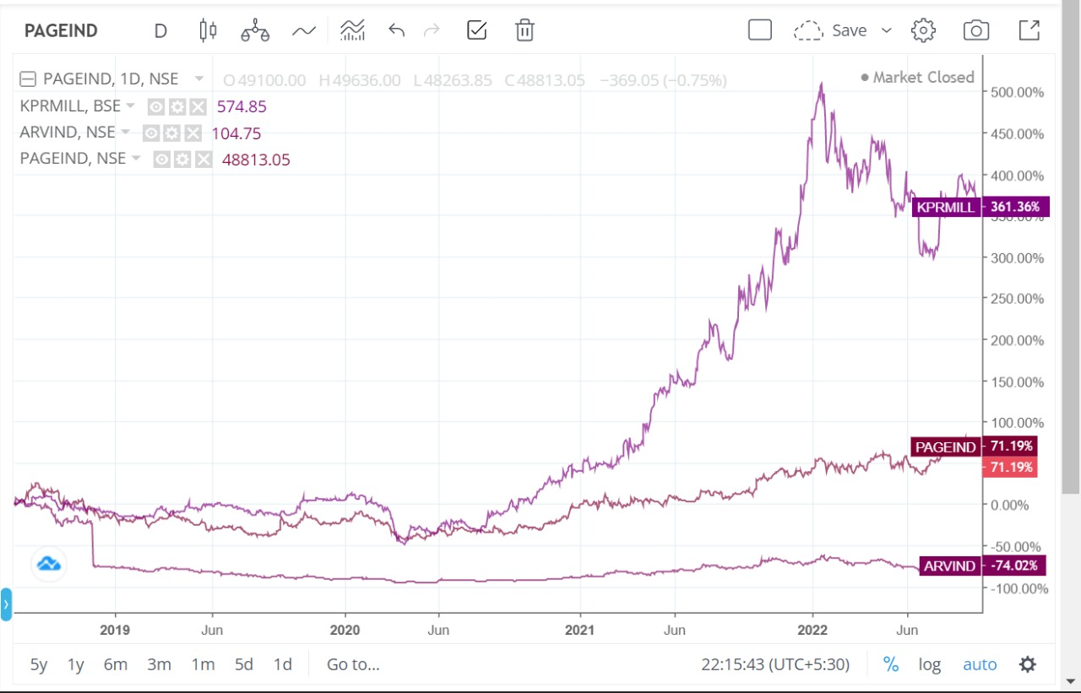
 |  |  |  |  | Page Industries | 54857.00
 |  |  |  |  | KPR Mills | 20188.00
 |  |  |  |  | Arvind Ltd | 2840.00
 |  |  |  |  | Trident | 19415.59
 |  |  |  |  | Alok Industries | 9781.52
 |  |  |  |  | Raymond | 7636.34

Market Capitalisation

